Sheet1
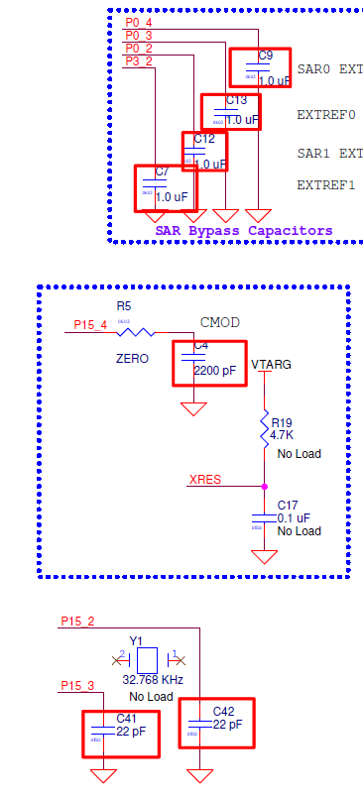
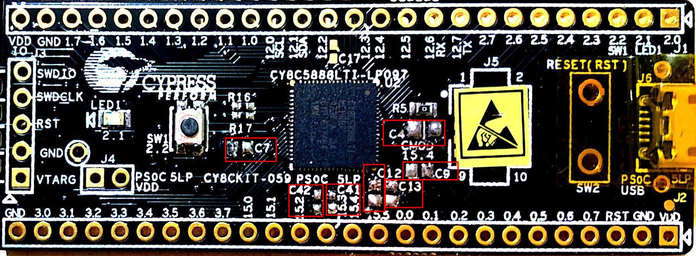
 | CONNECTOR | ECN50A220PV |  |  | https://www.aitendo.com/product/17716 | AITENDO
 | BREAKOUT BOARD | ECN50A220PV-D40A |  |  | https://www.aitendo.com/product/17740 | AITENDO

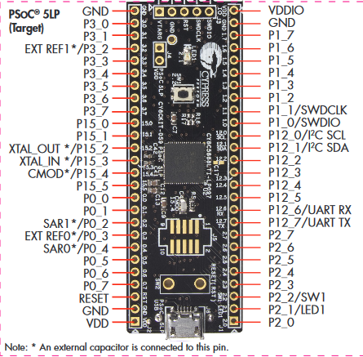
PC-G850V |  | CY8CKIT-059 |  |  |  |  |  |  |  | PC-G850V
 | CN2上側 | J1 |  |  |  |  |  | J2 |  |  | CN2下側
3 | /M1 | 1 | P2_0 |  |  |  |  | 1 | VDD | 1,2 | VCC
 |  | 2 | P2_1 | LED |  |  |  | 2 | GND | 39,40 | GND
 |  | 3 | P2_2 | SW |  |  |  | 3 | P_XRES
5 | /IOREQ | 4 | P2_3 |  |  |  |  | 4 | P0_7 | 4 | /MREQ
7 | /WAIT | 5 | P2_4 |  |  |  |  | 5 | P0_6 | 6 | IORESET
9 | /WR | 6 | P2_5 |  |  |  |  | 6 | P0_5 | 8 | /INTI
11 | BANK1 | 7 | P2_6 |  |  |  | C9除去 | 7 | P0_4 | 10 | /RD
13 | /CEROM2 | 8 | P2_7 |  |  |  | C13除去 | 8 | P0_3 | 12 | BANK0
 |  | 9 | P12_7 | DBG TX |  |  | C12除去 | 9 | P0_2 | 14 | /CERAM2
 |  | 10 | P12_6 | DBG RX |  |  |  | 10 | P0_1
15 | D7 | 11 | P12_5 |  |  |  |  | 11 | P0_0 | 23 | A15
17 | D5 | 12 | P12_4 |  |  |  |  | 12 | P15_5 | 25 | A13
19 | D3 | 13 | P12_3 |  |  |  | C4除去 | 13 | P15_4 | 27 | A11
21 | D1 | 14 | P12_2 |  |  |  | C41除去 | 14 | P15_3 | 16 | D6
 |  | 15 | P12_1 | DBG SDA |  |  | C42除去 | 15 | P15_2 | 18 | D4
 |  | 16 | P12_0 | DBG SCL |  |  |  | 16 | P15_1 | 20 | D2
 |  | 17 | P1_0 | SWDIO |  |  |  | 17 | P15_0 | 22 | D0
 |  | 18 | P1_1 | SWDCK |  |  |  | 18 | P3_7 | 24 | A14
29 | A9 | 19 | P1_2 |  |  |  |  | 19 | P3_6 | 26 | A12
 |  | 20 | P1_3 | SWDV |  |  |  | 20 | P3_5 | 28 | A10
31 | A7 | 21 | P1_4 |  |  |  |  | 21 | P3_4 | 30 | A8
33 | A5 | 22 | P1_5 |  |  |  |  | 22 | P3_3 | 32 | A6
35 | A3 | 23 | P1_6 |  |  |  | C7除去 | 23 | P3_2 | 34 | A4
37 | A1 | 24 | P1_7 |  |  |  |  | 24 | P3_1 | 36 | A2
39,40 | GND | 25 | GND |  |  |  |  | 25 | P3_0 | 38 | A0
1,2 | VCC | 26 | VDDIO |  |  |  |  | 26 | GND | 39,40 | GND

 |  |  |  |  | ※A15-A11 is opposite side signal

 |  |  |  |  | REMOVED CAPACITORS on CY8CKIT-059

